Sheet1
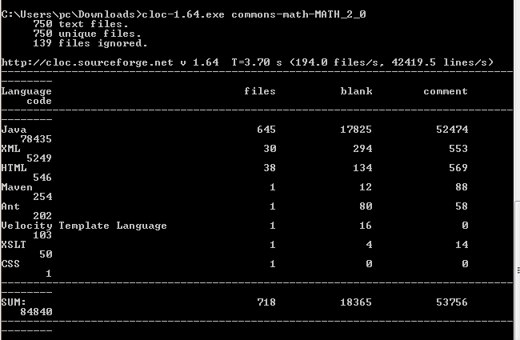
 | SLOC | Bugs | Defect Density |  | SLOC
version3.4 | 363 | 13.00 | 0.035812672176 | 38037 | 117560 | 206971
version2.0 | 157 | 66.00 | 0.42038216561 | 18365 | 53756 | 84840
version3.0 | 229 | 93.00 | 0.40611353712 | 24373 | 75076 | 129330
version3.1 | 287 | 12.00 | 0.04181184669 | 29547 | 94534 | 162444
version3.6.0 | 388 | 16.00 | 0.041237113402 | 41160 | 125878 | 221165
version3.5.0 | 364 | 40.00 | 0.10989010989 | 38219 | 117973 | 208038
Latest | 388 | 48.00 | 0.12371134021 | 41185 | 125915 | 221228

